screen shot
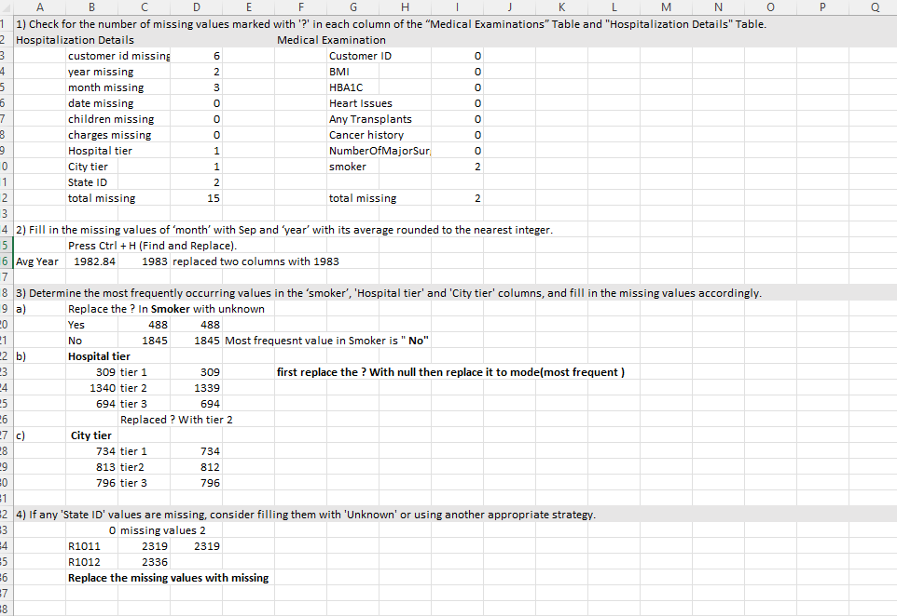

Data transformation
 | Data Transformation:
1) Split the ‘names’ column in the “Customer Names” Table into 3 meaningful columns: ‘Title’, ‘First Name’, and ‘Last Name’.
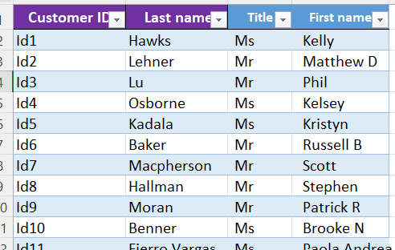

2) Convert the "NumberOfMajorSurgeries" column in the “Medical Examinations” Table to
numerical data by replacing non-numeric characters with meaningful numerical values.
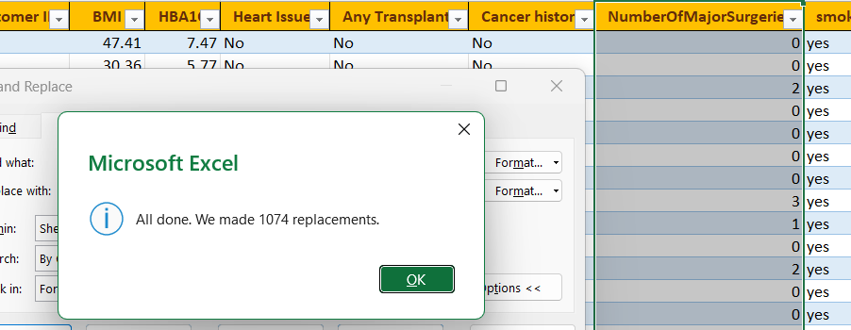

3) Check for inconsistencies in the 'Heart Issues' and 'smoker' columns and propose corrective actions if necessary.

 | Capitalize each word |  | and '?;' Replaced to unknown

4) Create a new column named “Weight Status” that categorizes BMI into different categories as below:

 | IFS([@BMI]<18.5, "Underweight ", [@BMI]<24.9, "Normal Weight", [@BMI]<29.9, "Overweight ", TRUE, "Obesity")

5) Create a new column named “Diabetes Status” and fill it as per the information given below:

 | IFS([@HBA1C]<5.7, "Normal", [@HBA1C]<6.4, "Prediabetes ", TRUE, "Diabetes")

6) Merge ‘year’, ‘month’ and ‘date’ columns in the “Hospitalization Details” Table into one column named ‘Date of Birth’ and format it in ‘DD-MMM-YYYY’ custom format.

Date | ([@year],MONTH("1-"&[@month]),[@date]) |  |  |  |  | then format cells date -DD-MMM-YYYY

7) Calculate the ‘Age’ of each customer based on their ‘Date of Birth’ and the date of collection of the dataset, which is 8thJune 2023.

 |  | DATEDIF([@[Date of Birth]], DATE(2023,6, 8),"Y") |  |  | change the data type as NUMBER |  | FORMAT

8) Format ‘charges’ column as currency ($). |  |  |  | Change the datatype to Currency

screen shot2
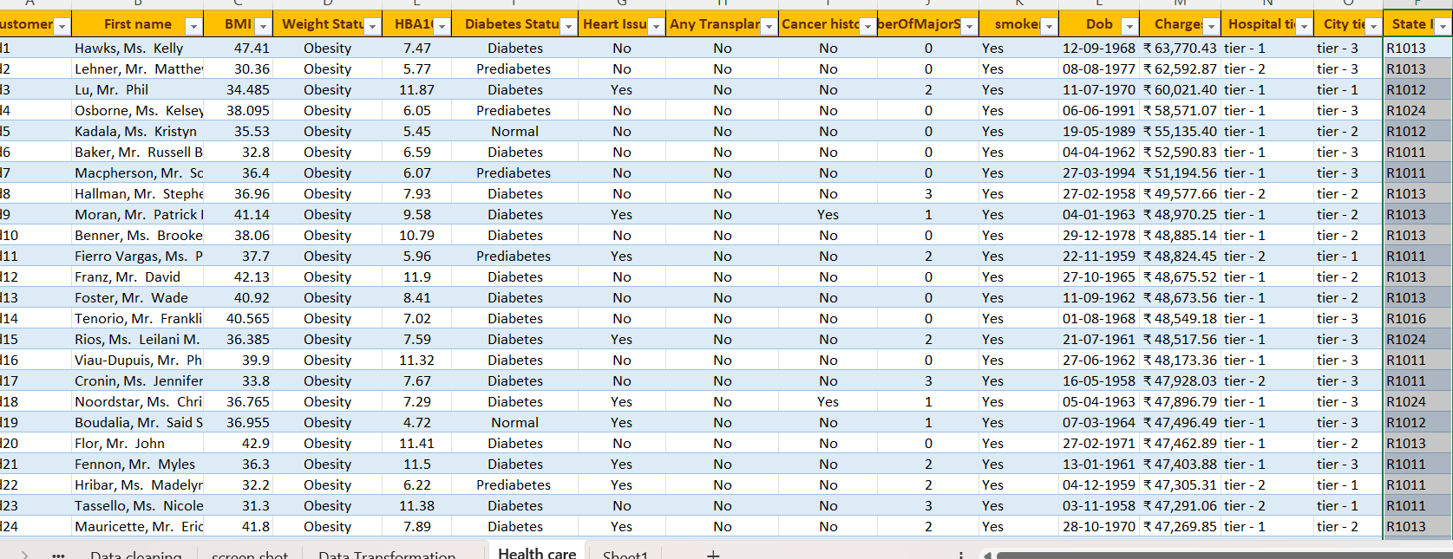

Pie Donut Chart
➢ What is the distribution of cancer history among smokers and non-smokers?
➢ How does the total number of major surgeries and average HbA1C differ between patients with and without a history of transplants?
Cancer history amon Smokers and Non smokers

Row Labels | Count of smoker
No | 1944
Yes | 391
Grand Total | 2335

 | 2335

Row Labels | Sum of NumberOfMajorSurgeries | Average of HBA1C
No | 1417 | 6.6704427202
yes | 162 | 5.1876388889
Grand Total | 1579 | 6.5789978587

LineScatter Plot
Row Labels | Average of HBA1C | Average of BMI
18 | 6.5789978587 | 30.972648822
19 | 6.5789978587 | 30.972648822
20 | 6.5789978587 | 30.972648822
21 | 6.5789978587 | 30.972648822
22 | 6.5789978587 | 30.972648822
23 | 6.5789978587 | 30.972648822
24 | 6.5789978587 | 30.972648822
25 | 6.5789978587 | 30.972648822
26 | 6.5789978587 | 30.972648822
27 | 6.5789978587 | 30.972648822
28 | 6.5789978587 | 30.972648822
29 | 6.5789978587 | 30.972648822
30 | 6.5789978587 | 30.972648822
31 | 6.5789978587 | 30.972648822
32 | 6.5789978587 | 30.972648822
33 | 6.5789978587 | 30.972648822
34 | 6.5789978587 | 30.972648822
35 | 6.5789978587 | 30.972648822
36 | 6.5789978587 | 30.972648822
37 | 6.5789978587 | 30.972648822
38 | 6.5789978587 | 30.972648822
39 | 6.5789978587 | 30.972648822
40 | 6.5789978587 | 30.972648822
41 | 6.5789978587 | 30.972648822
42 | 6.5789978587 | 30.972648822
43 | 6.5789978587 | 30.972648822
44 | 6.5789978587 | 30.972648822
45 | 6.5789978587 | 30.972648822
46 | 6.5789978587 | 30.972648822
47 | 6.5789978587 | 30.972648822
48 | 6.5789978587 | 30.972648822
49 | 6.5789978587 | 30.972648822
50 | 6.5789978587 | 30.972648822
51 | 6.5789978587 | 30.972648822
52 | 6.5789978587 | 30.972648822
53 | 6.5789978587 | 30.972648822
54 | 6.5789978587 | 30.972648822
55 | 6.5789978587 | 30.972648822
56 | 6.5789978587 | 30.972648822
57 | 6.5789978587 | 30.972648822
58 | 6.5789978587 | 30.972648822
59 | 6.5789978587 | 30.972648822
60 | 6.5789978587 | 30.972648822
61 | 6.5789978587 | 30.972648822
62 | 6.5789978587 | 30.972648822
63 | 6.5789978587 | 30.972648822
64 | 6.5789978587 | 30.972648822
65 | 6.5789978587 | 30.972648822
Grand Total | 6.5789978587 | 30.972648822

Row Labels | Average of charges
18 | 6140.2466667
19 | 7948.1145545
20 | 10072.262623
21 | 6668.0885714
22 | 6326.5190698
23 | 12681.782542
24 | 8802.7808511
25 | 9604.2097826
26 | 7902.0126415
27 | 8826.0215
28 | 10241.486
29 | 10351.083396
30 | 10952.699074
31 | 12670.549783
32 | 14334.518036
33 | 10774.774722
34 | 12872.253099
35 | 11513.772391
36 | 11547.972889
37 | 14644.485116
38 | 15593.283556
39 | 10047.750816
40 | 13453.935
41 | 13262.966327
42 | 12504.133208
43 | 16061.08587
44 | 15524.548462
45 | 17529.678
46 | 13868.45125
47 | 20430.424915
48 | 13940.809434
49 | 16607.494706
50 | 16129.608909
51 | 16408.262453
52 | 17270.469077
53 | 15580.54
54 | 18151.031228
55 | 16674.63037
56 | 18551.197273
57 | 15453.382683
58 | 15328.355472
59 | 16987.15619
60 | 19632.808298
61 | 19365.226486
62 | 22324.4425
63 | 20934.572609
64 | 19382.164211
65 | 24440.398
Grand Total | 13559.06787

Column Bar Chart
Healthcare Charges vs Weight Status and Diabetes Status
➢ How do healthcare charges vary based on different weight statuses and diabetes statuses?
➢ Can you compare the average charges for each hospital tier within different states?

Count of Charges | Column Labels
Row Labels | Diabetes | Normal | Prediabetes | Grand Total
Normal Weight | 138 | 212 | 81 | 431
Obesity | 439 | 565 | 233 | 1237
Overweight | 155 | 236 | 100 | 491
Underweight | 66 | 82 | 28 | 176
Grand Total | 798 | 1095 | 442 | 2335

Row Labels | Average of Charges
R1011 | 19498.013997
tier - 1 | 33081.373793
tier - 2 | 19053.224006
tier - 3 | 9250.3617857
R1012 | 12016.473913
tier - 1 | 26111.457937
tier - 2 | 10334.279322
tier - 3 | 10179.941965
R1013 | 10514.939804
tier - 1 | 31328.102239
tier - 2 | 8439.2844
tier - 3 | 6890.7568235
R1014 | 13478.056923
tier - 1 | 13891.86
tier - 2 | 2395.17
tier - 3 | 16950.485
R1015 | 13948.61
Avg charges for each hospital tier within different states
tier - 1 | 21523.52
tier - 2 | 15675.543333
tier - 3 | 7570.755
R1016 | 13589.263437
tier - 1 | 39868.61625
tier - 2 | 16075.963333
tier - 3 | 8133.0084091
R1017 | 14806.107778
tier - 1 | 34070.595714
tier - 2 | 11365.621875
tier - 3 | 8667.3661538
R1018 | 13272.786667
tier - 1 | 33475.82
tier - 2 | 10139.553333
tier - 3 | 12570.97
R1019 | 13633.143462
tier - 1 | 27621.61
tier - 2 | 8116.72
tier - 3 | 12706.976
R1020 | 9238.4983333
tier - 2 | 6760.5433333
tier - 3 | 11716.453333
R1021 | 8933.3781429
tier - 2 | 7668.1787234
tier - 3 | 11518.785652
R1022 | 10650.521429
tier - 2 | 10102.026667
tier - 3 | 11637.812
R1023 | 13786.149211
tier - 1 | 18261.7575
tier - 2 | 13457.094583
tier - 3 | 12785.637
R1024 | 12865.1495
tier - 1 | 32732.187143
tier - 2 | 10174.346
tier - 3 | 13360.978889
R1025 | 8788.78225
tier - 2 | 6886.0368421
tier - 3 | 10510.31381
R1026 | 12489.921071
tier - 1 | 18709.798
tier - 2 | 11919.607857
tier - 3 | 12296.77973
Unknown | 20996.53
tier - 1 | 20996.53
#N/A | #N/A
#N/A | #N/A
Grand Total | #N/A

Dashboard
Healthcare Data Analysis and Insights

Cancer history/Smokers
 | Total
No | 1944
Yes | 391
 | Sum of NumberOfMajorSurgeries | Average of HBA1C
No | 1417 | 6.6704427202
yes | 162 | 5.1876388889

Healthcare Charges vs Weight Status and Diabetes Status
 | Diabetes | Normal | Prediabetes
Normal Weight | 138 | 212 | 81
Obesity | 439 | 565 | 233
Overweight | 155 | 236 | 100
Underweight | 66 | 82 | 28

 | Diabetes | Normal | Prediabetes
Normal Weight | 138 | 212 | 81
Obesity | 439 | 565 | 233
Overweight | 155 | 236 | 100
Underweight | 66 | 82 | 28

 | Total
tier - 1 | 33081.373793
tier - 2 | 19053.224006
tier - 3 | 9250.3617857
tier - 1 | 26111.457937
tier - 2 | 10334.279322
tier - 3 | 10179.941965
tier - 1 | 31328.102239
tier - 2 | 8439.2844
tier - 3 | 6890.7568235
tier - 1 | 13891.86
tier - 2 | 2395.17
tier - 3 | 16950.485
tier - 1 | 21523.52
tier - 2 | 15675.543333
tier - 3 | 7570.755
tier - 1 | 39868.61625
tier - 2 | 16075.963333
tier - 3 | 8133.0084091
tier - 1 | 34070.595714
tier - 2 | 11365.621875
tier - 3 | 8667.3661538
tier - 1 | 33475.82
tier - 2 | 10139.553333
tier - 3 | 12570.97
tier - 1 | 27621.61
tier - 2 | 8116.72
tier - 3 | 12706.976
tier - 2 | 6760.5433333
tier - 3 | 11716.453333
tier - 2 | 7668.1787234
tier - 3 | 11518.785652
tier - 2 | 10102.026667
tier - 3 | 11637.812
tier - 1 | 18261.7575
tier - 2 | 13457.094583
tier - 3 | 12785.637
tier - 1 | 32732.187143
tier - 2 | 10174.346
tier - 3 | 13360.978889
tier - 2 | 6886.0368421
tier - 3 | 10510.31381
tier - 1 | 18709.798
tier - 2 | 11919.607857
tier - 3 | 12296.77973
tier - 1 | 20996.53
#N/A | #N/A

Avg charges for each hospital tier within different states
 | Total
tier - 1 | 33081.373793
tier - 2 | 19053.224006
tier - 3 | 9250.3617857
tier - 1 | 26111.457937
tier - 2 | 10334.279322
tier - 3 | 10179.941965
tier - 1 | 31328.102239
tier - 2 | 8439.2844
tier - 3 | 6890.7568235
tier - 1 | 13891.86
tier - 2 | 2395.17
tier - 3 | 16950.485
tier - 1 | 21523.52
tier - 2 | 15675.543333
tier - 3 | 7570.755
tier - 1 | 39868.61625
tier - 2 | 16075.963333
tier - 3 | 8133.0084091
tier - 1 | 34070.595714
tier - 2 | 11365.621875
tier - 3 | 8667.3661538
tier - 1 | 33475.82
tier - 2 | 10139.553333
tier - 3 | 12570.97
tier - 1 | 27621.61
tier - 2 | 8116.72
tier - 3 | 12706.976
tier - 2 | 6760.5433333
tier - 3 | 11716.453333
tier - 2 | 7668.1787234
tier - 3 | 11518.785652
tier - 2 | 10102.026667
tier - 3 | 11637.812
tier - 1 | 18261.7575
tier - 2 | 13457.094583
tier - 3 | 12785.637
tier - 1 | 32732.187143
tier - 2 | 10174.346
tier - 3 | 13360.978889
tier - 2 | 6886.0368421
tier - 3 | 10510.31381
tier - 1 | 18709.798
tier - 2 | 11919.607857
tier - 3 | 12296.77973
tier - 1 | 20996.53
#N/A | #N/A

 | Average of HBA1C | Average of BMI
18 | 6.5789978587 | 30.972648822
19 | 6.5789978587 | 30.972648822
20 | 6.5789978587 | 30.972648822
21 | 6.5789978587 | 30.972648822
22 | 6.5789978587 | 30.972648822
23 | 6.5789978587 | 30.972648822
24 | 6.5789978587 | 30.972648822
25 | 6.5789978587 | 30.972648822
26 | 6.5789978587 | 30.972648822
27 | 6.5789978587 | 30.972648822
28 | 6.5789978587 | 30.972648822
29 | 6.5789978587 | 30.972648822
30 | 6.5789978587 | 30.972648822
31 | 6.5789978587 | 30.972648822
32 | 6.5789978587 | 30.972648822
33 | 6.5789978587 | 30.972648822
34 | 6.5789978587 | 30.972648822
35 | 6.5789978587 | 30.972648822
36 | 6.5789978587 | 30.972648822
37 | 6.5789978587 | 30.972648822
38 | 6.5789978587 | 30.972648822
39 | 6.5789978587 | 30.972648822
40 | 6.5789978587 | 30.972648822
41 | 6.5789978587 | 30.972648822
42 | 6.5789978587 | 30.972648822
43 | 6.5789978587 | 30.972648822
44 | 6.5789978587 | 30.972648822
45 | 6.5789978587 | 30.972648822
46 | 6.5789978587 | 30.972648822
47 | 6.5789978587 | 30.972648822
48 | 6.5789978587 | 30.972648822
49 | 6.5789978587 | 30.972648822
50 | 6.5789978587 | 30.972648822
51 | 6.5789978587 | 30.972648822
52 | 6.5789978587 | 30.972648822
53 | 6.5789978587 | 30.972648822
54 | 6.5789978587 | 30.972648822
55 | 6.5789978587 | 30.972648822
56 | 6.5789978587 | 30.972648822
57 | 6.5789978587 | 30.972648822
58 | 6.5789978587 | 30.972648822
59 | 6.5789978587 | 30.972648822
60 | 6.5789978587 | 30.972648822
61 | 6.5789978587 | 30.972648822
62 | 6.5789978587 | 30.972648822
63 | 6.5789978587 | 30.972648822
64 | 6.5789978587 | 30.972648822
65 | 6.5789978587 | 30.972648822

age and healthcare charges
 | Total
18 | 6140.2466667
19 | 7948.1145545
20 | 10072.262623
21 | 6668.0885714
22 | 6326.5190698
23 | 12681.782542
24 | 8802.7808511
25 | 9604.2097826
26 | 7902.0126415
27 | 8826.0215
28 | 10241.486
29 | 10351.083396
30 | 10952.699074
31 | 12670.549783
32 | 14334.518036
33 | 10774.774722
34 | 12872.253099
35 | 11513.772391
36 | 11547.972889
37 | 14644.485116
38 | 15593.283556
39 | 10047.750816
40 | 13453.935
41 | 13262.966327
42 | 12504.133208
43 | 16061.08587
44 | 15524.548462
45 | 17529.678
46 | 13868.45125
47 | 20430.424915
48 | 13940.809434
49 | 16607.494706
50 | 16129.608909
51 | 16408.262453
52 | 17270.469077
53 | 15580.54
54 | 18151.031228
55 | 16674.63037
56 | 18551.197273
57 | 15453.382683
58 | 15328.355472
59 | 16987.15619
60 | 19632.808298
61 | 19365.226486
62 | 22324.4425
63 | 20934.572609
64 | 19382.164211
65 | 24440.398

